Chart1
 | First preference | Second preference | Third preference
Andy Burnham | 42 | 13 | 8
Angela Rayner | 11 | 22 | 17
Ed Miliband | 10 | 16 | 17
Wes Streeting | 11 | 12 | 10
Yvette Cooper | 5 | 8 | 11
Shabana Mahmood | 4 | 5 | 5
Lucy Powell | 1 | 4 | 8
Louise Haigh | 1 | 4 | 6
Al Carns | 2 | 3 | 5

Chart Data
 | First preference | Second preference | Third preference
Andy Burnham | 42 | 13 | 8
Angela Rayner | 11 | 22 | 17
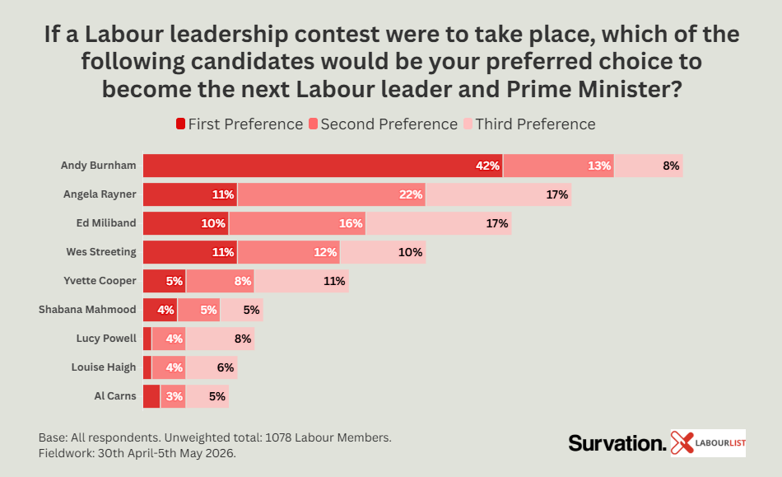
Ed Miliband | 10 | 16 | 17
Wes Streeting | 11 | 12 | 10
Yvette Cooper | 5 | 8 | 11
Shabana Mahmood | 4 | 5 | 5
Lucy Powell | 1 | 4 | 8
Louise Haigh | 1 | 4 | 6
Al Carns | 2 | 3 | 5

 | 87 | 87 | 87

